Sheet1
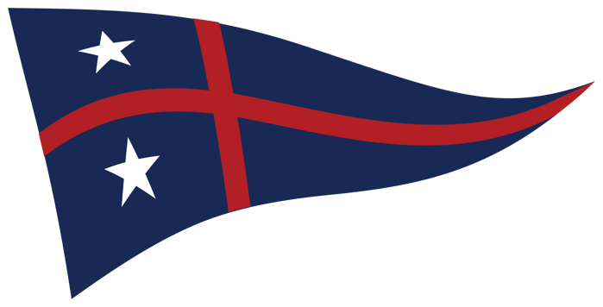
South Shore Yacht Club
Lightning & VX One Regatta Race Results
July 20-21, 2024

Lightning
Skipper | Boat Name | Sail # | Race 1 | Race 2 | Race 3 | Race 4 | Race 5 | Race 6 | Race 7 | Race 8 | Exc(s) | Total Score | Pos
Thunderbird | Thunderbird | 13994
Brandon Holton, Jackson Holton, Parker Holton | Hot Flash | 14015
James Thurlow | Per Diem | 14082 |  |  |  |  |  |  |  |  |  | 0
Jo McGlew | Feelin' Alive! | 14323
Bill Black, Susan Wells, Kaleb Krush | 15208 | 15208

VX One
Skipper | Boat Name | Sail # | Race 1 | Race 2 | Race 3 | Race 4 | Race 5 | Race 6 | Race 7 | Race 8 | Exclusion(s) | Total Score | Poos
Andrew Van Sickle | 103 | 103
Heather Robertson | Struggle Bus | 132
Abbie Probst and Callie Rupped | Boat | 154
Bobby Sessions, Matt Kalin | Funny looking thistle | 160
Jacob Kremel | OU | 169
Jeff Eiber Emery Eiber | USA 275 | 275
John Morreale & Todd Wilson | Rosebud | 298
Zach Krueger, Samson Cain | 306 | 306
Devin Bader | USA340 | 340

